P01
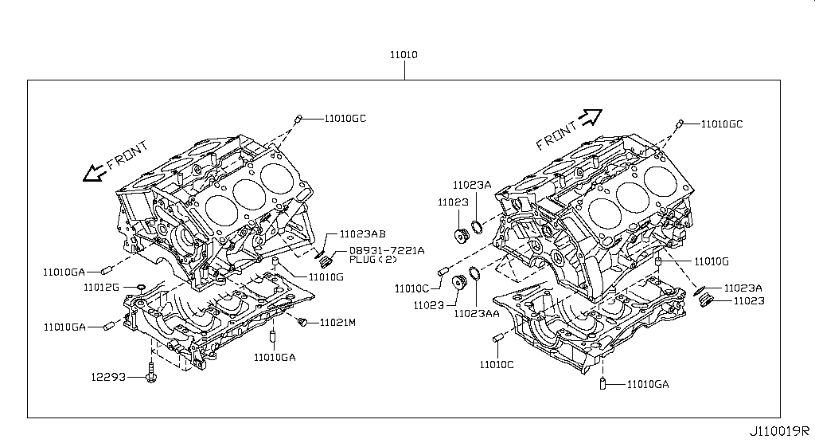
Sheet1 — page 1 of 48 (A4 landscape)

P02
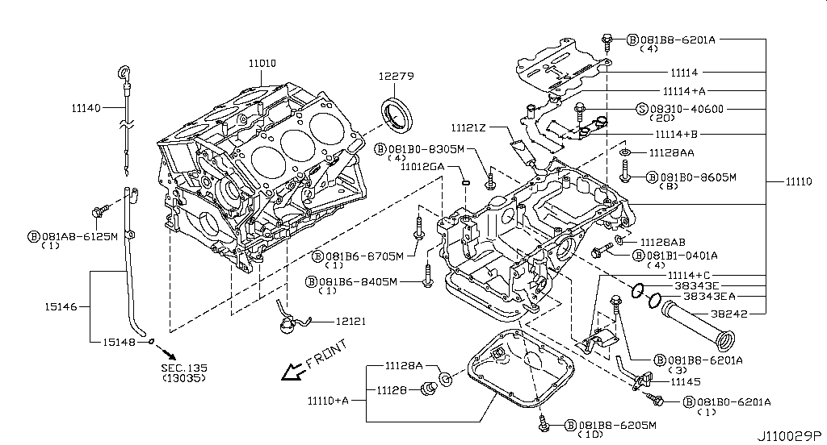
Sheet1 — page 2 of 48 (A4 landscape)

P03
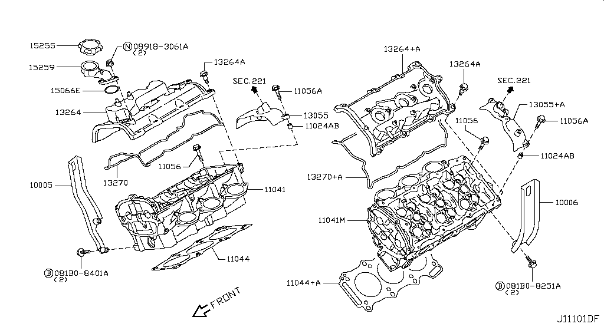
Sheet1 — page 3 of 48 (A4 landscape)

P04
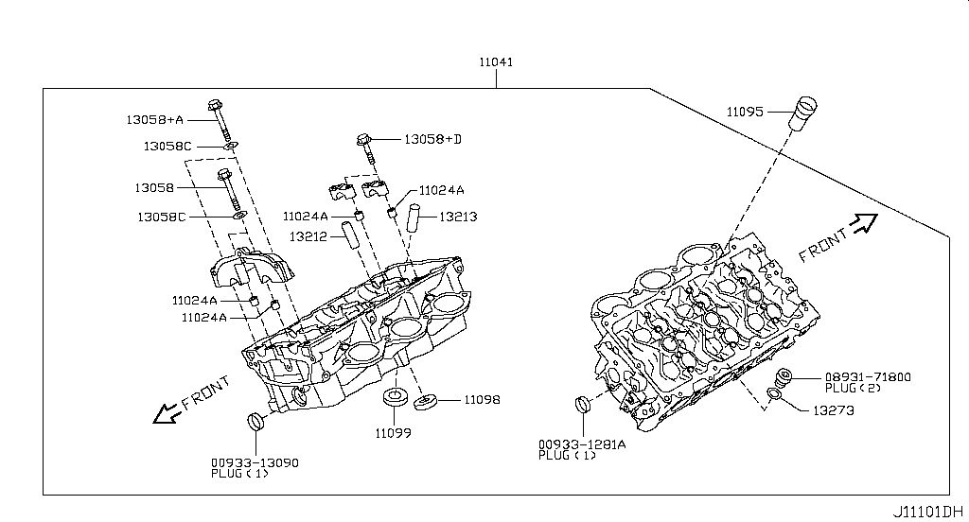
Sheet1 — page 4 of 48 (A4 landscape)

P05
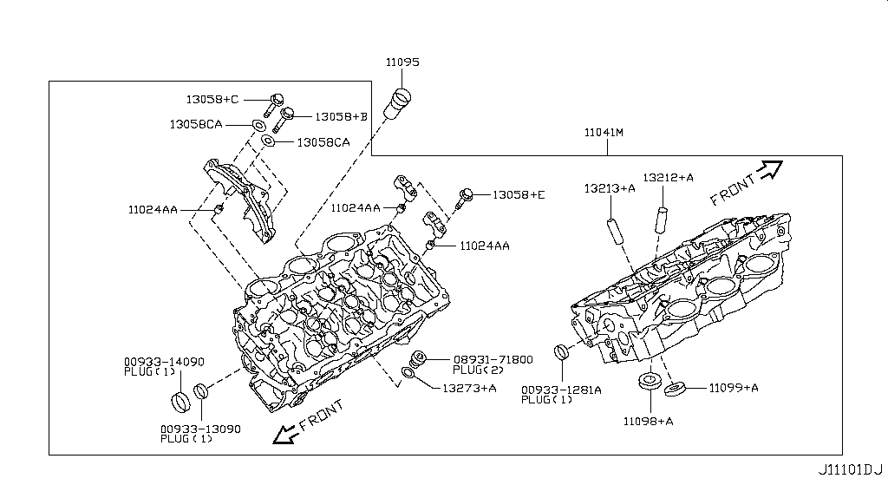
Sheet1 — page 5 of 48 (A4 landscape)

P06
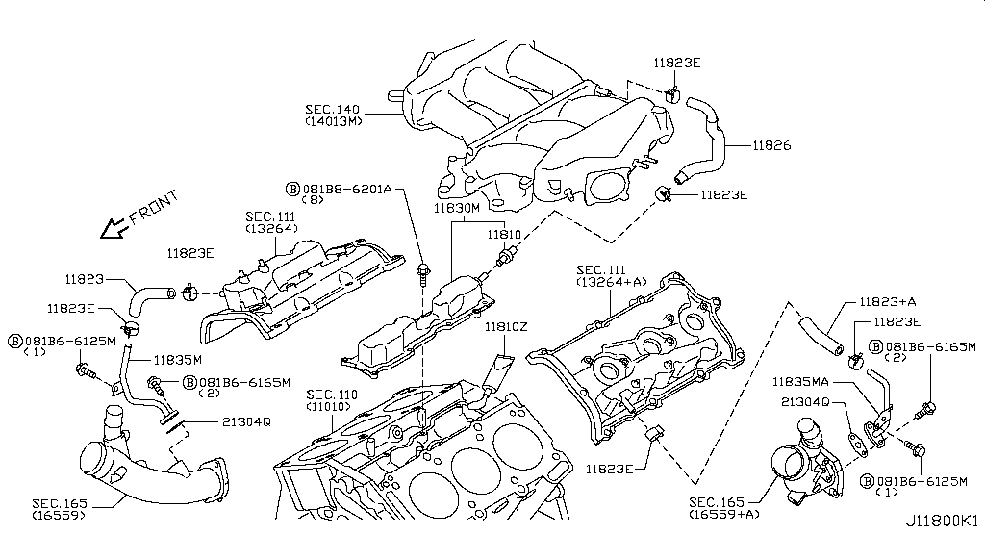
Sheet1 — page 6 of 48 (A4 landscape)

P07
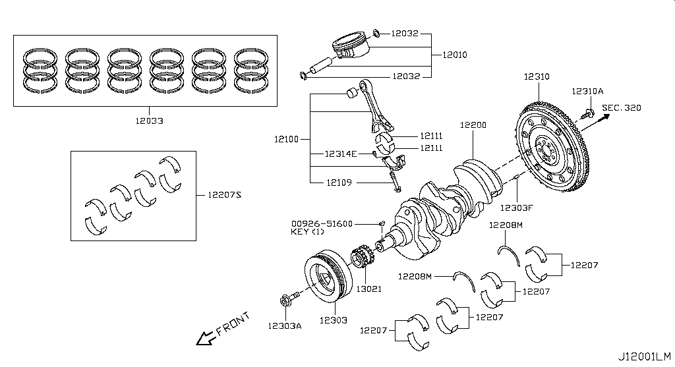
Sheet1 — page 7 of 48 (A4 landscape)

P09
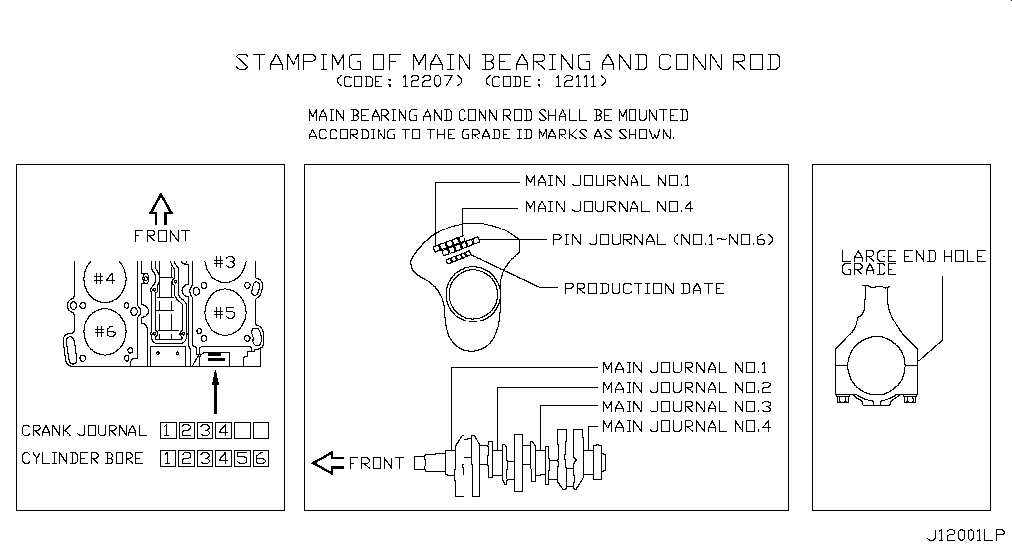
Sheet1 — page 9 of 48 (A4 landscape)

P10
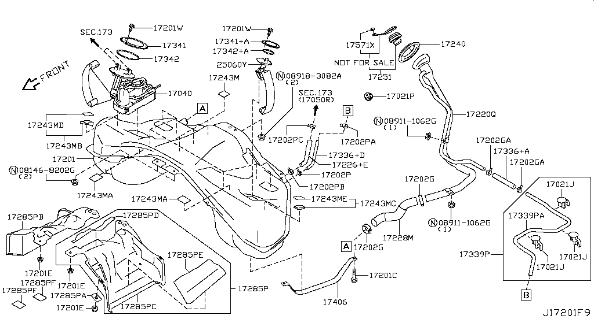
Sheet1 — page 10 of 48 (A4 landscape)

P11
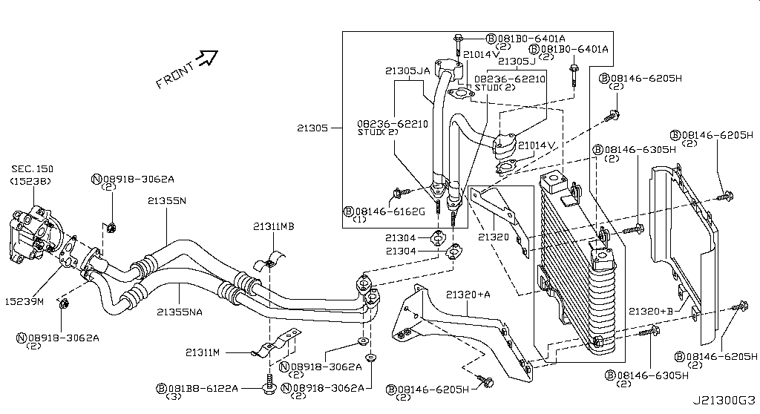
Sheet1 — page 11 of 48 (A4 landscape)

P12
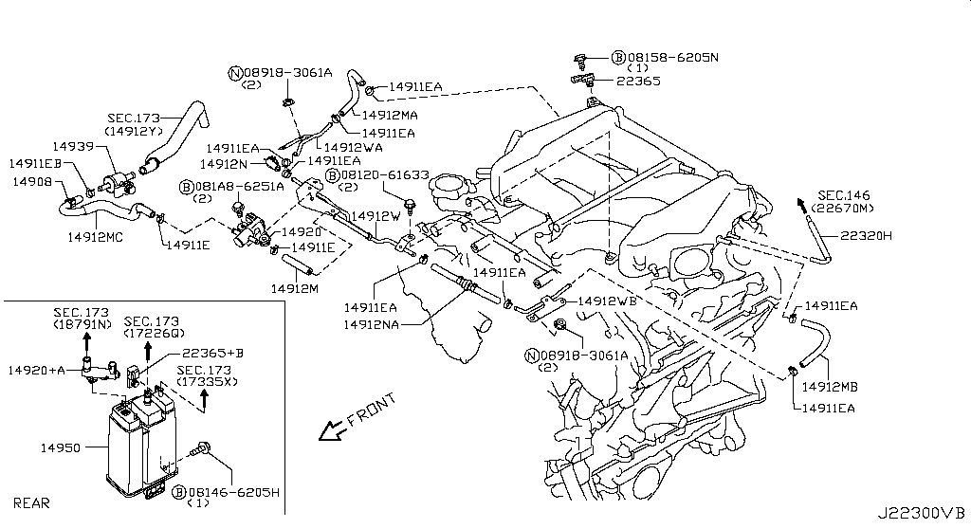
Sheet1 — page 12 of 48 (A4 landscape)

P13
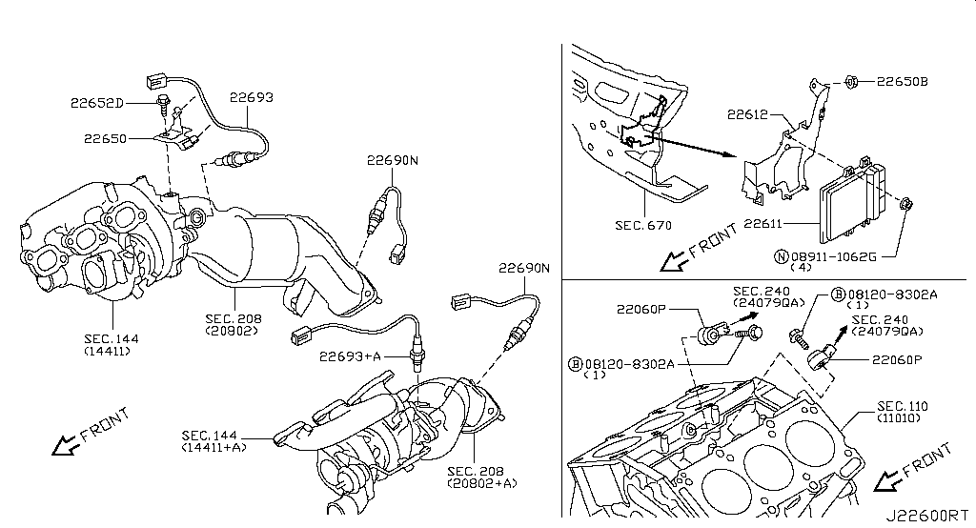
Sheet1 — page 13 of 48 (A4 landscape)

P14
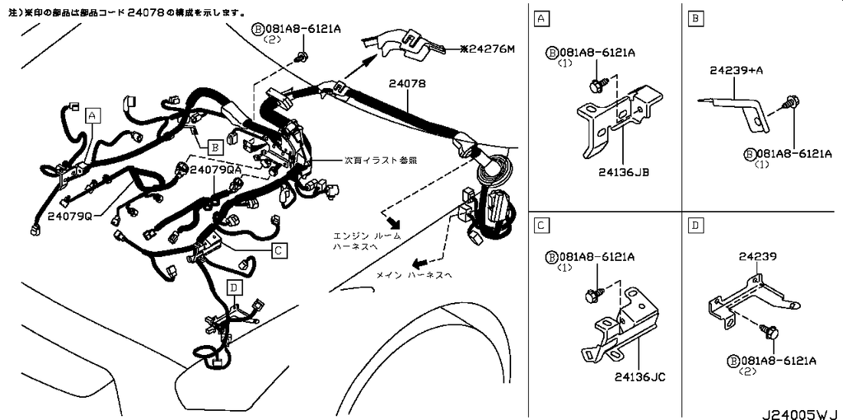
Sheet1 — page 14 of 48 (A4 landscape)

P15
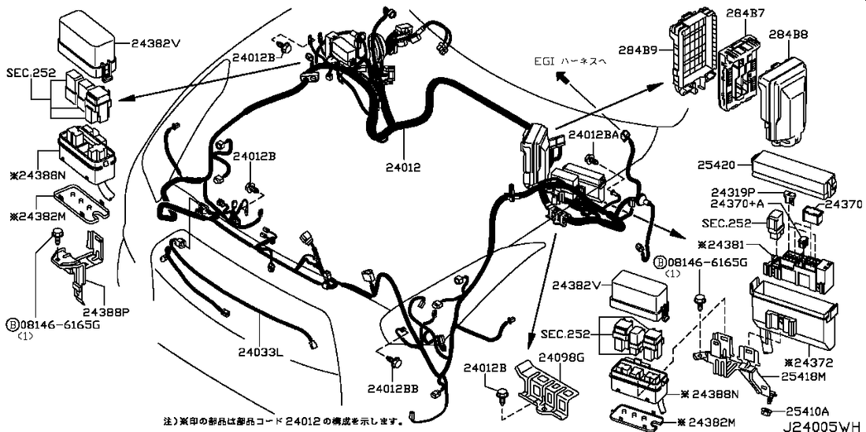
Sheet1 — page 15 of 48 (A4 landscape)

P16
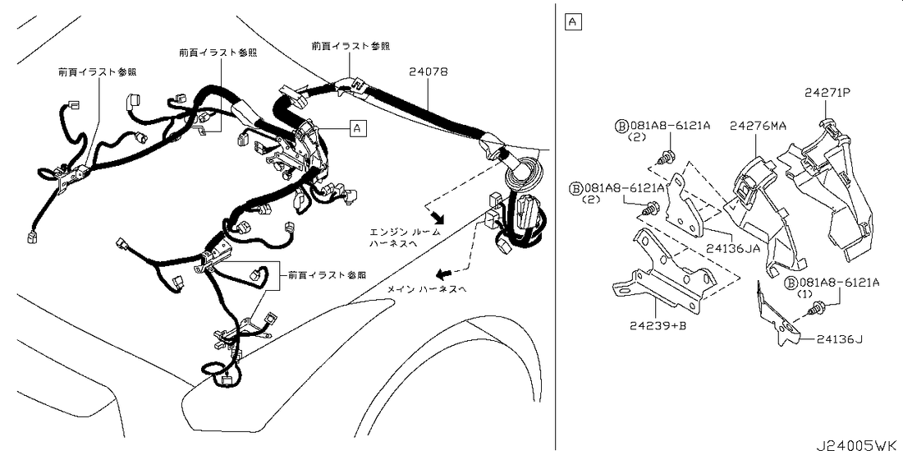
Sheet1 — page 16 of 48 (A4 landscape)

P17
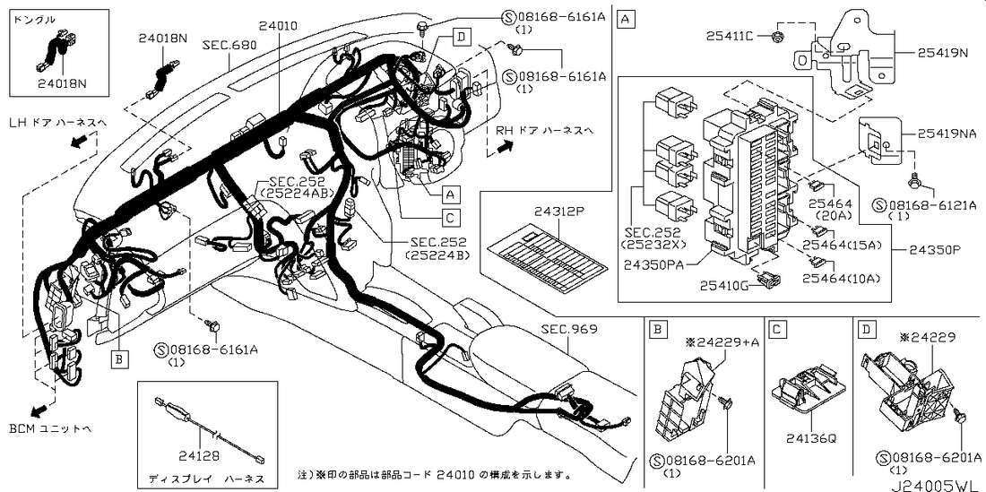
Sheet1 — page 17 of 48 (A4 landscape)

P18
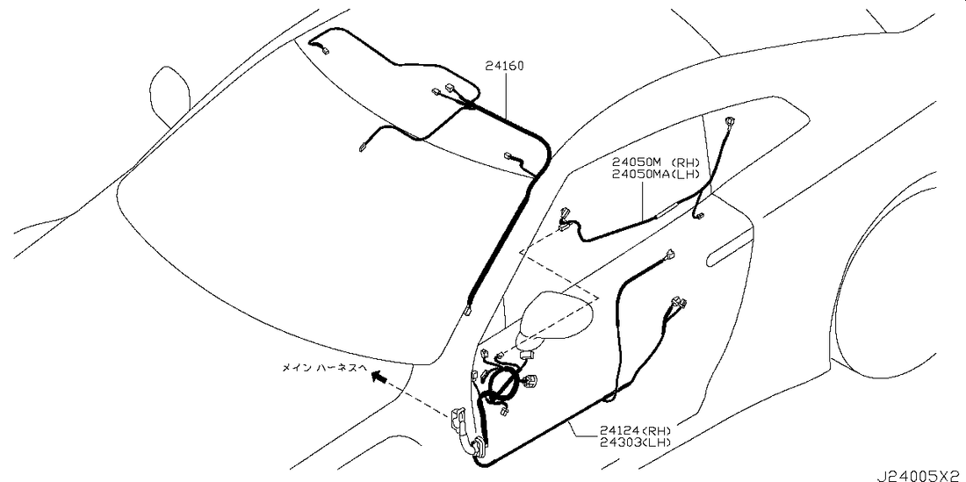
Sheet1 — page 18 of 48 (A4 landscape)

P19
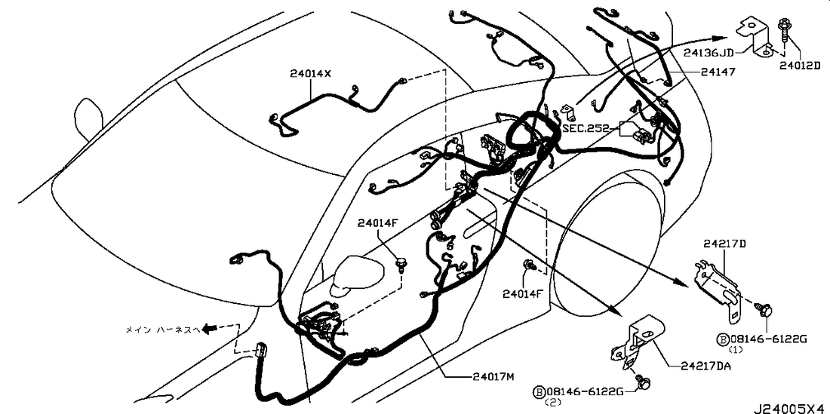
Sheet1 — page 19 of 48 (A4 landscape)

P20
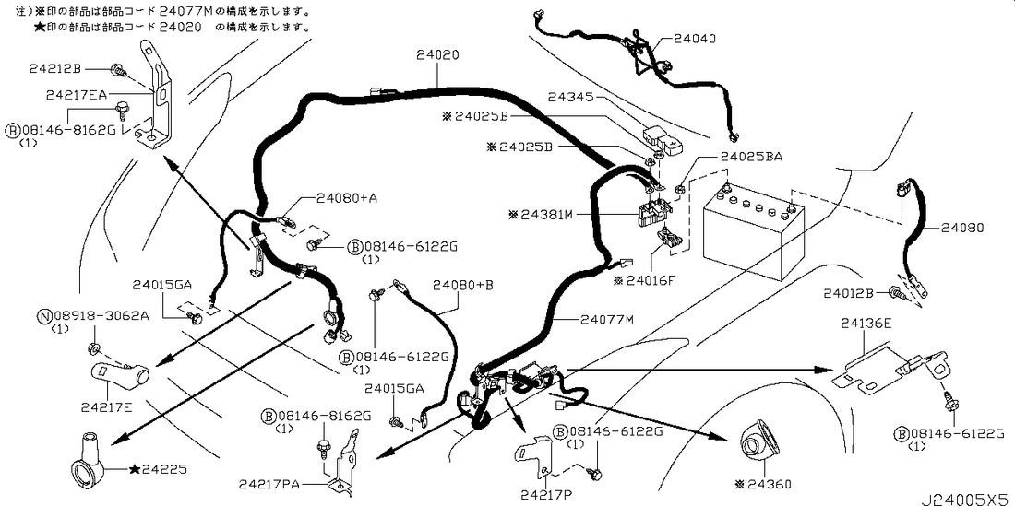
Sheet1 — page 20 of 48 (A4 landscape)

P21
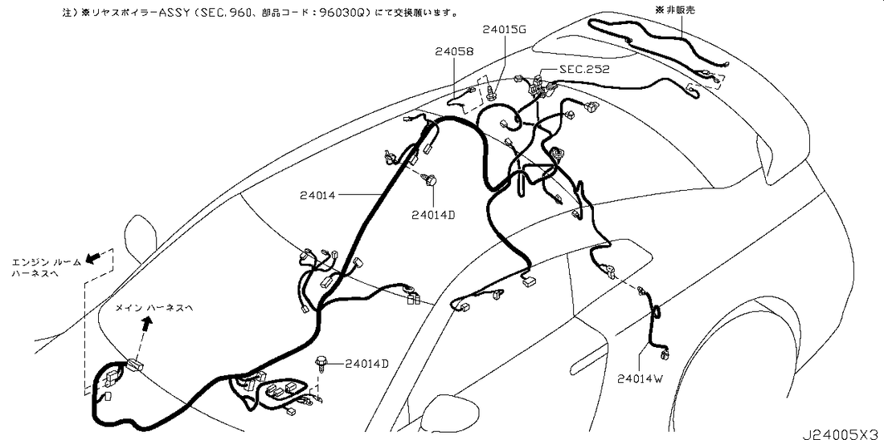
Sheet1 — page 21 of 48 (A4 landscape)

P22
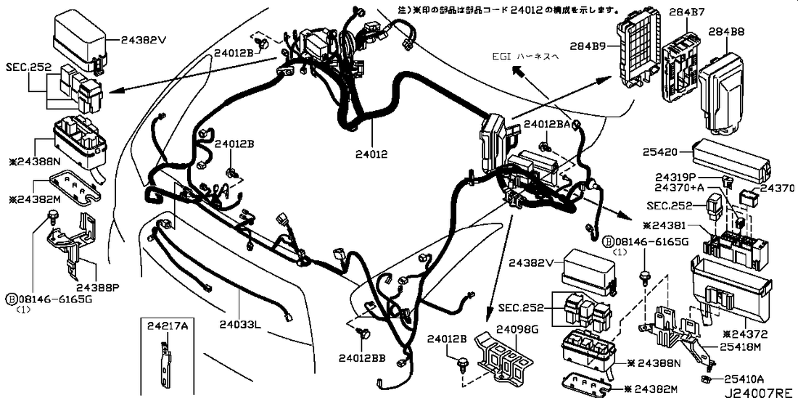
Sheet1 — page 22 of 48 (A4 landscape)

P25
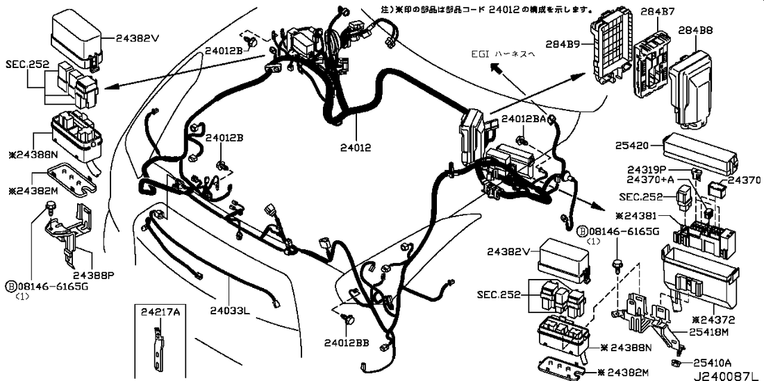
Sheet1 — page 25 of 48 (A4 landscape)

P26
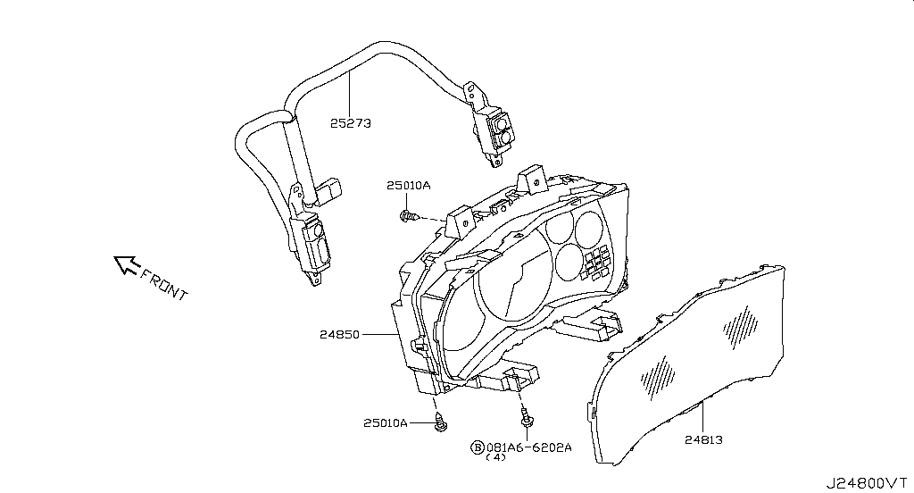
Sheet1 — page 26 of 48 (A4 landscape)

P27
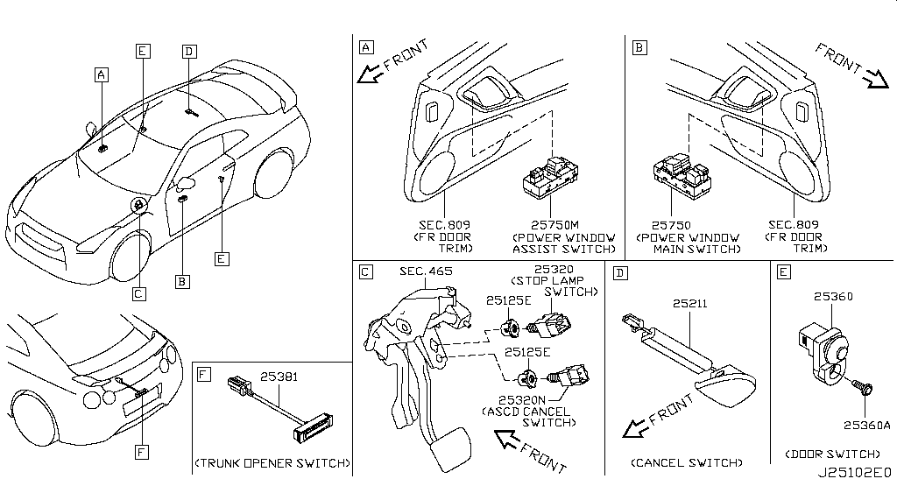
Sheet1 — page 27 of 48 (A4 landscape)

P28
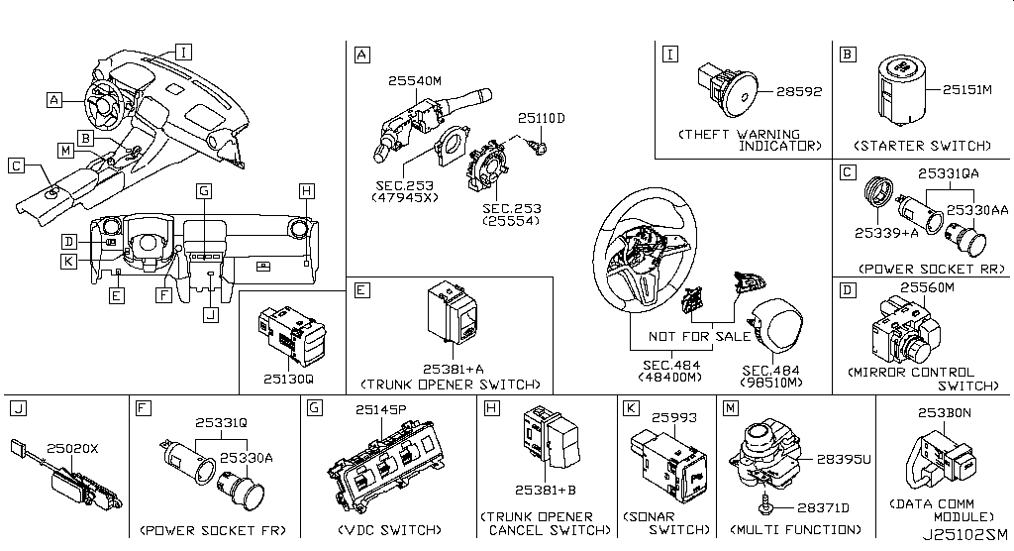
Sheet1 — page 28 of 48 (A4 landscape)

P29
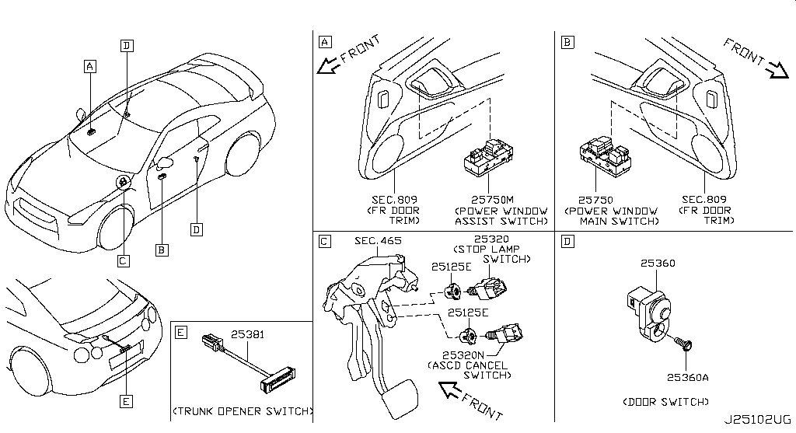
Sheet1 — page 29 of 48 (A4 landscape)

P30
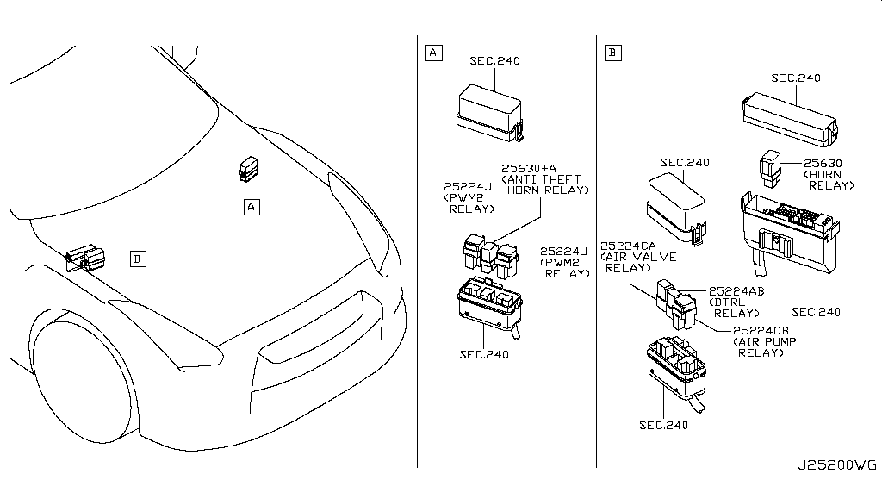
Sheet1 — page 30 of 48 (A4 landscape)

P31
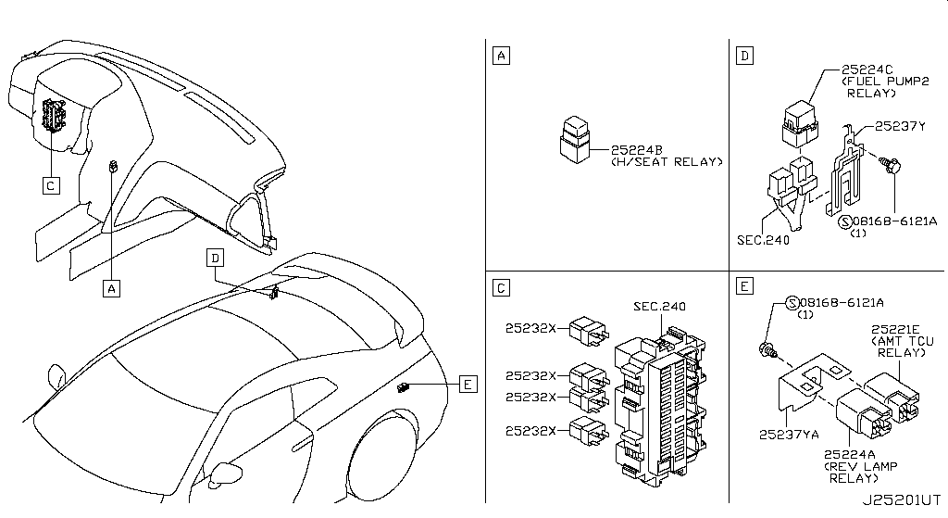
Sheet1 — page 31 of 48 (A4 landscape)

P32
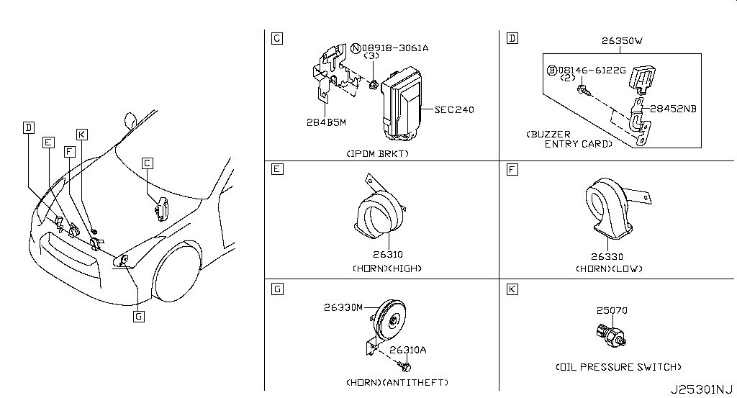
Sheet1 — page 32 of 48 (A4 landscape)

P33
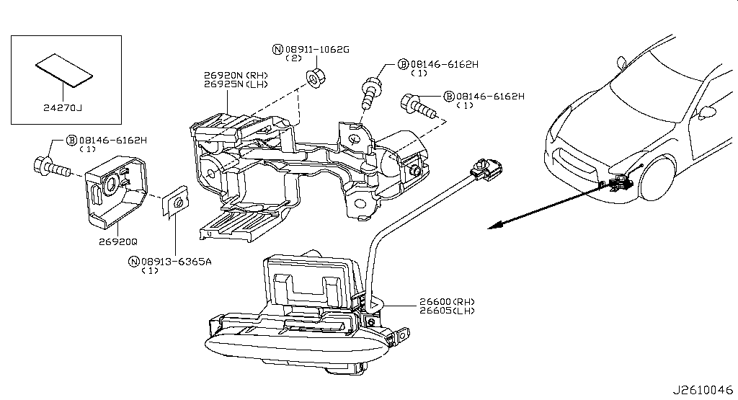
Sheet1 — page 33 of 48 (A4 landscape)

P34
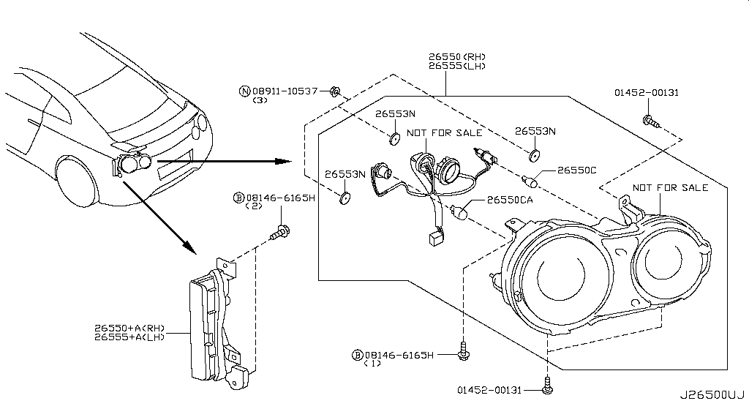
Sheet1 — page 34 of 48 (A4 landscape)

P35
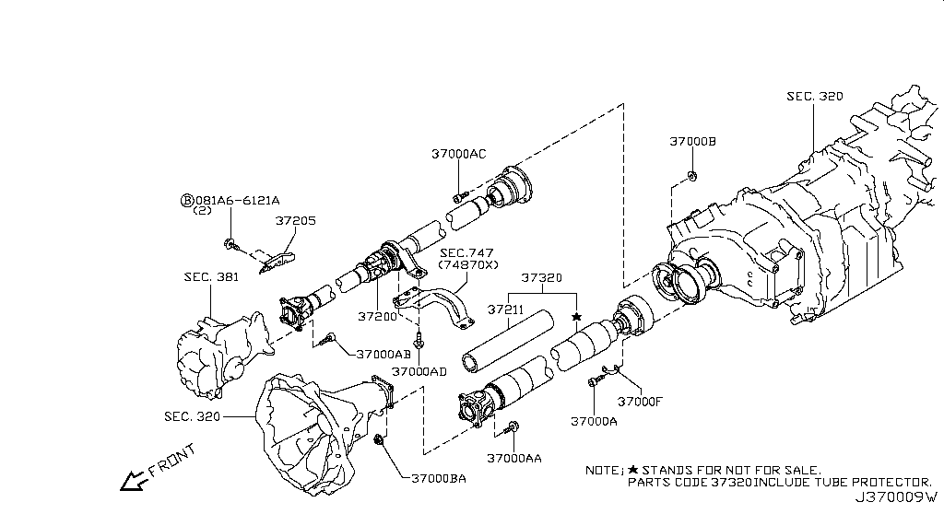
Sheet1 — page 35 of 48 (A4 landscape)

P36
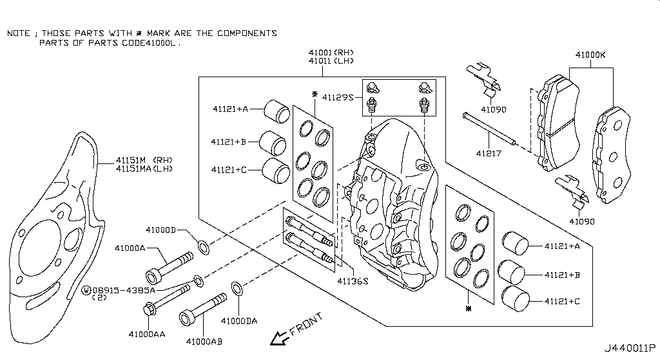
Sheet1 — page 36 of 48 (A4 landscape)

P37
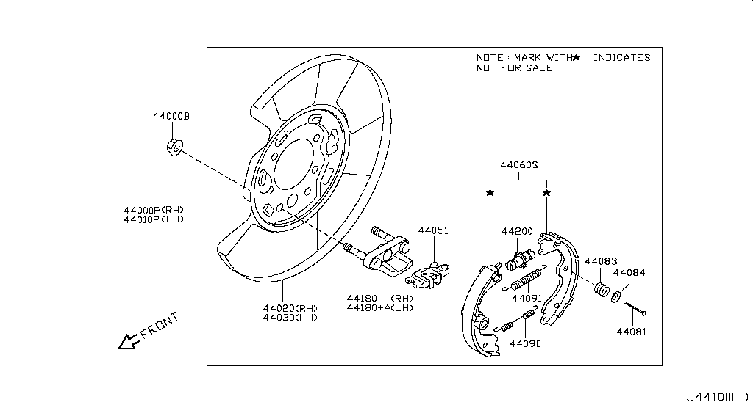
Sheet1 — page 37 of 48 (A4 landscape)

P38
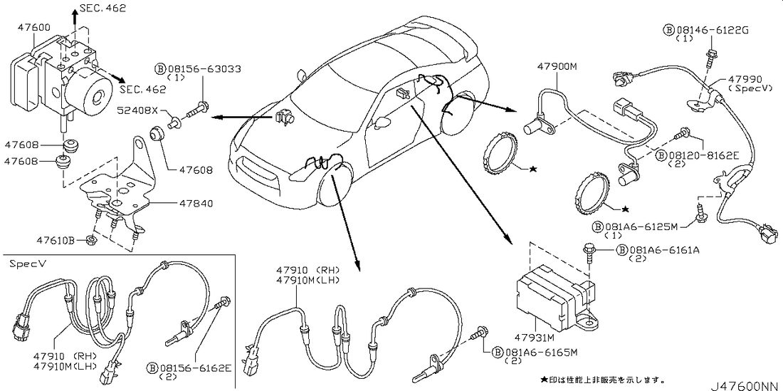
Sheet1 — page 38 of 48 (A4 landscape)

P39
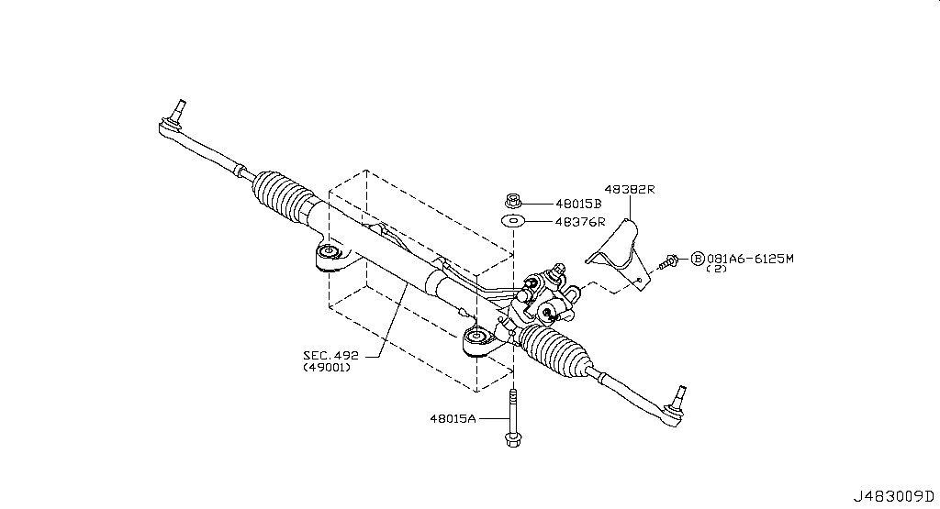
Sheet1 — page 39 of 48 (A4 landscape)

P40
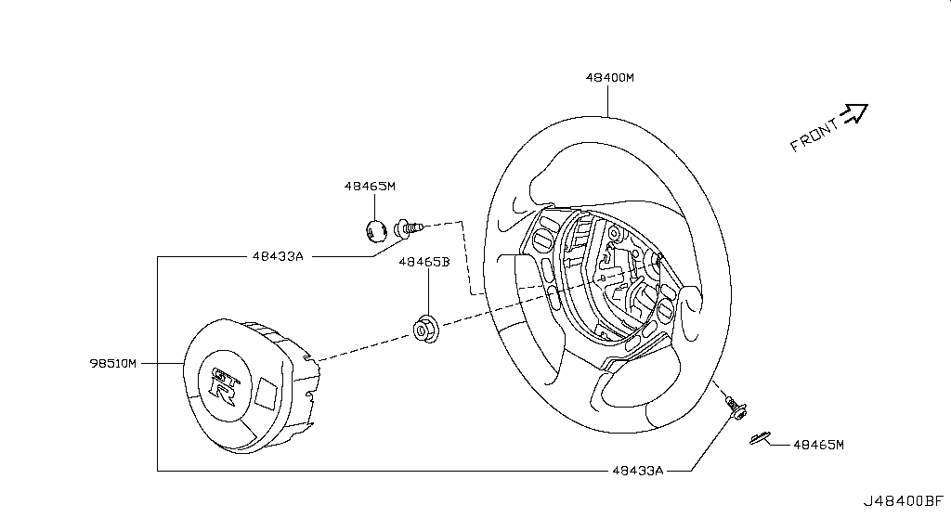
Sheet1 — page 40 of 48 (A4 landscape)

P41
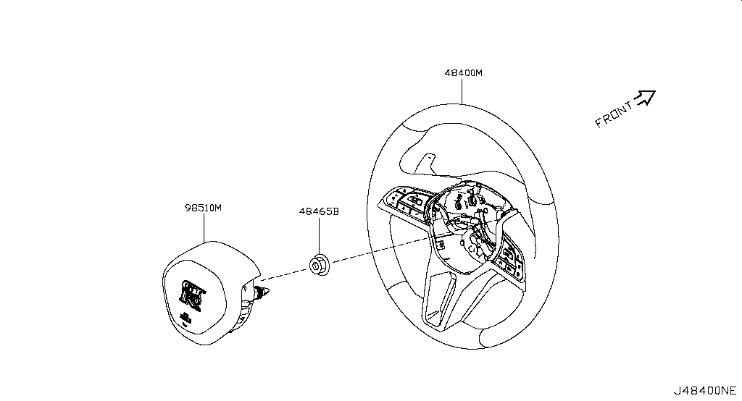
Sheet1 — page 41 of 48 (A4 landscape)

P42
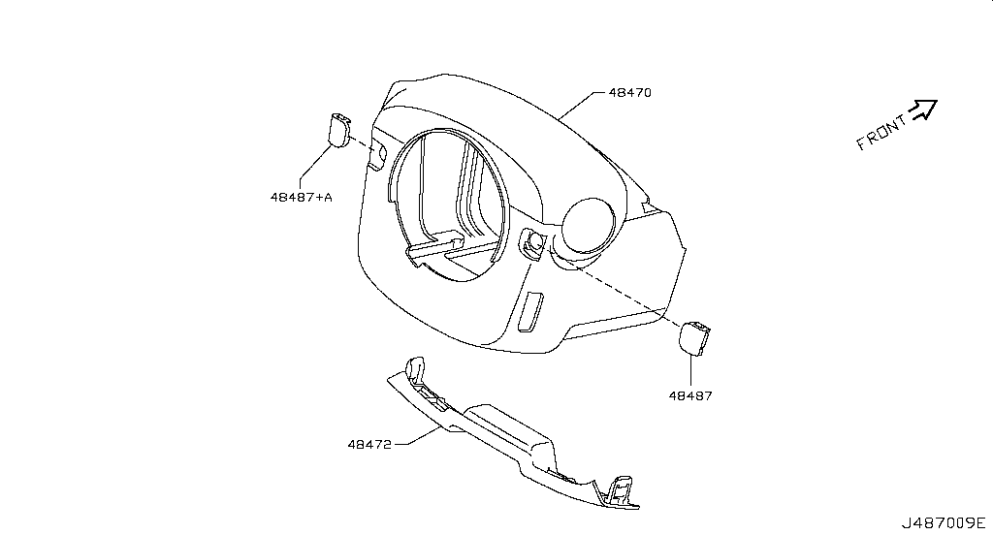
Sheet1 — page 42 of 48 (A4 landscape)

P43
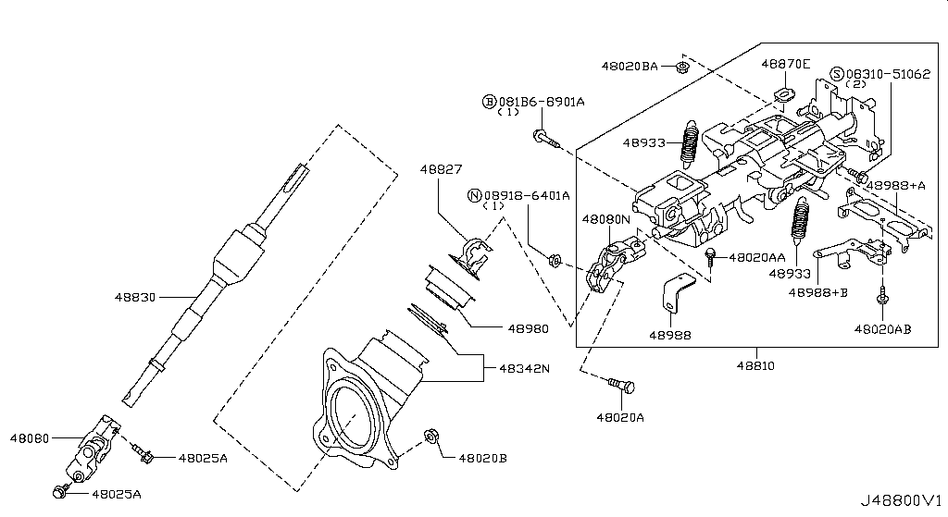
Sheet1 — page 43 of 48 (A4 landscape)

P44
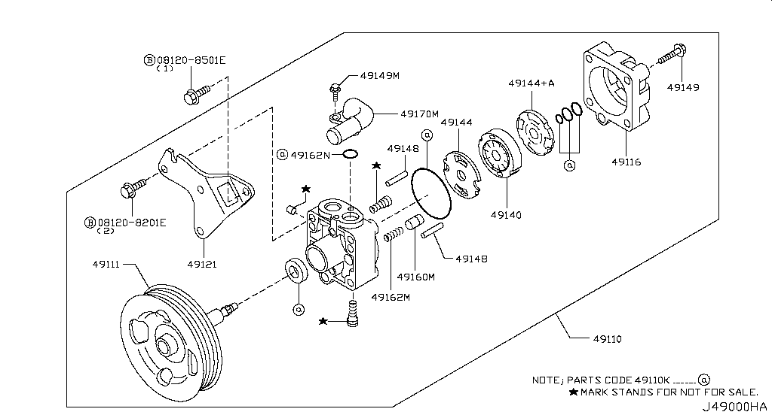
Sheet1 — page 44 of 48 (A4 landscape)

P45
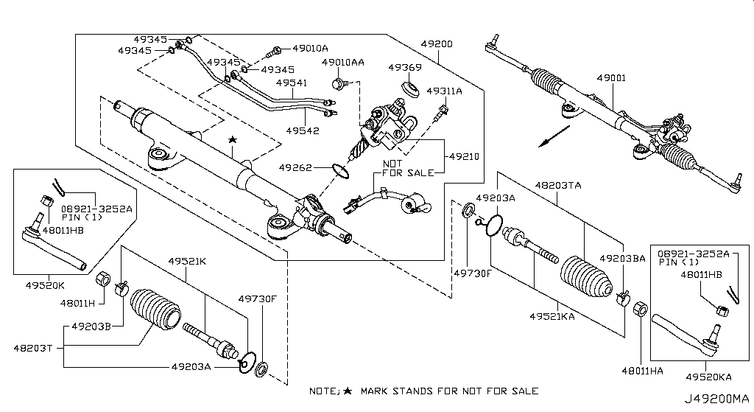
Sheet1 — page 45 of 48 (A4 landscape)

P46
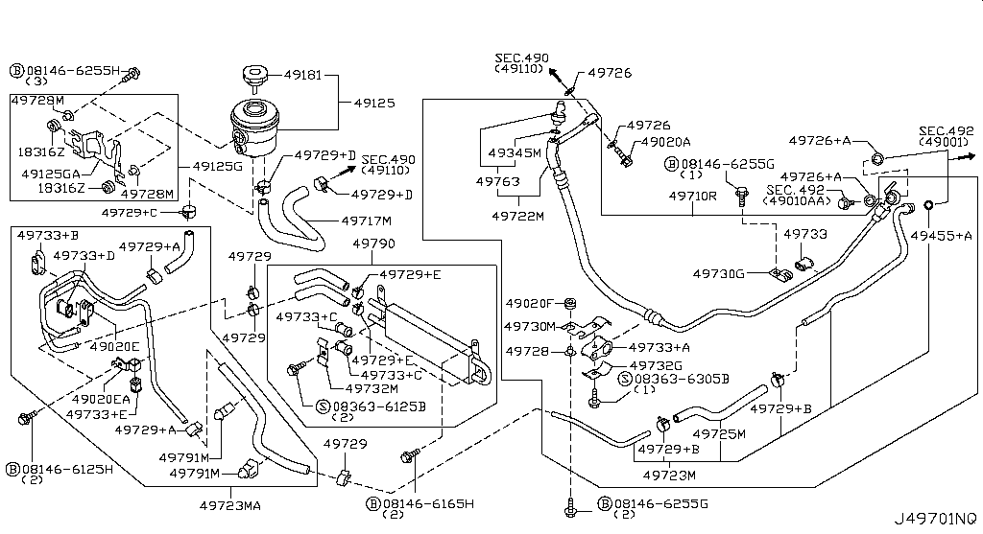
Sheet1 — page 46 of 48 (A4 landscape)

P47
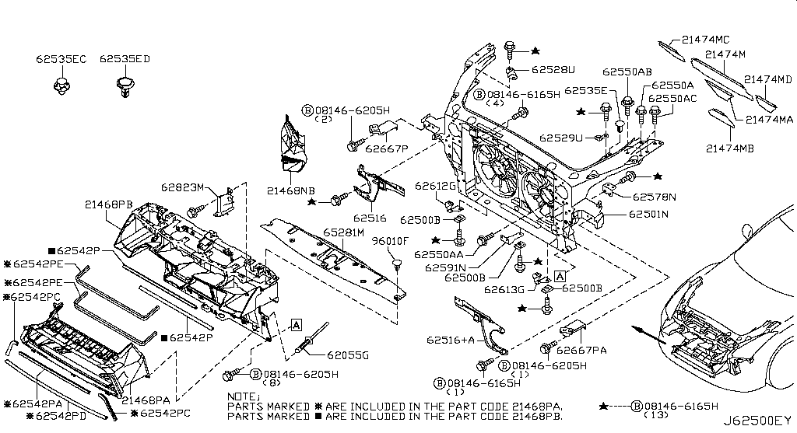
Sheet1 — page 47 of 48 (A4 landscape)

P48
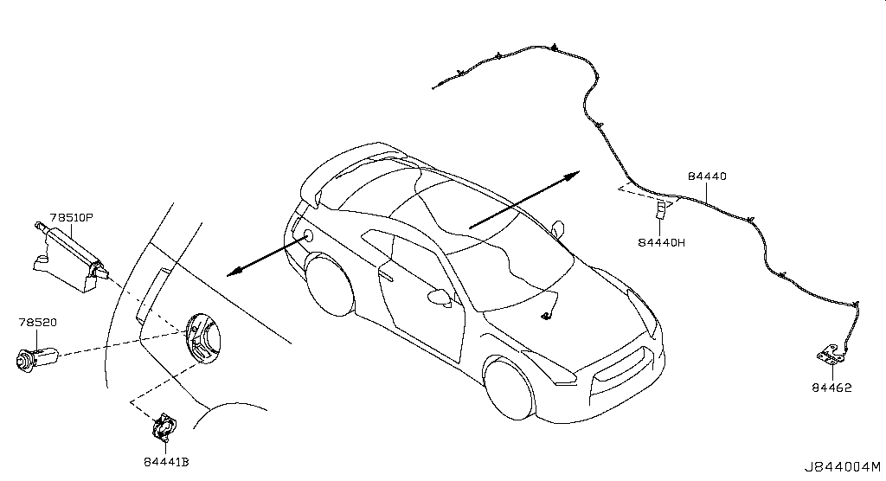
Sheet1 — page 48 of 48 (A4 landscape)

